Plumbing Items
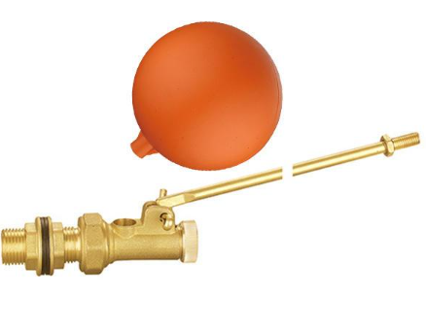 Float Valve |  | 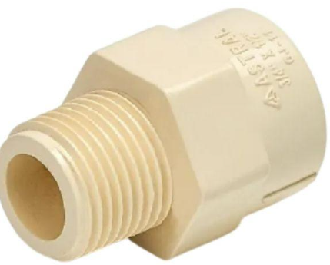 Adaptor |  |  | 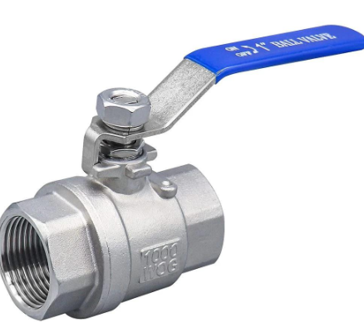 Ball Valve |  |  | 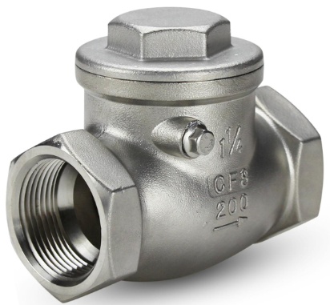 Check Valve ( NRV) |  |  | Foot Valve |  | 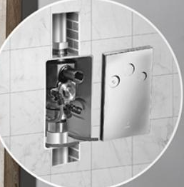 Concealed Flush Valve |  | 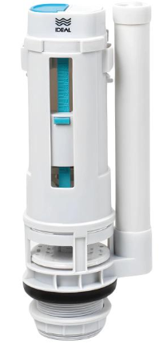 Flush Valve

Angle Valve | 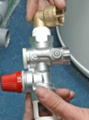 Geyser Safety Valve |  | 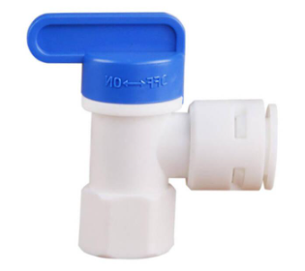 RO Storage Tank Valve |  |  | 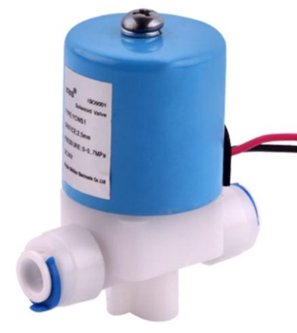 RO Solenoid Valve |  |  | 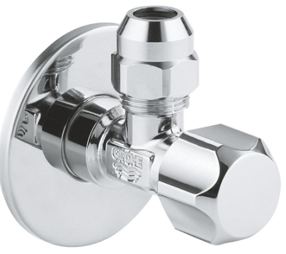 Stop Valve |  |  | 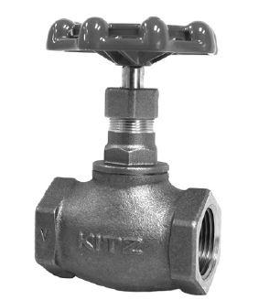 Gunmetal Valve |  | 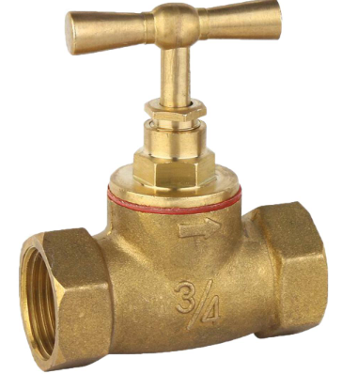 Water Outlet Valve

 |  |  |  |  |  |  |  |  |  |  |  |  |  |  | 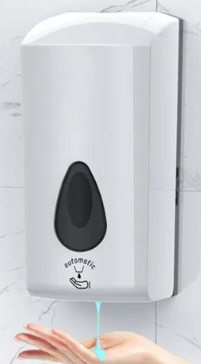 Automatic Hand Dryer

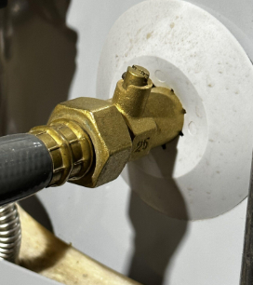
 |  |  |  |  |  |  |  |  | 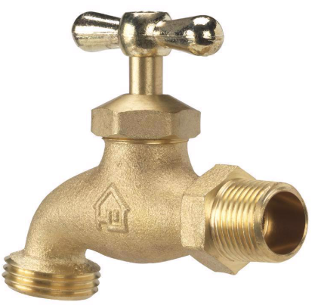 Angle Stop Valve |  |  |  |  | Soap Dispenser

Hose Bib Valve |  | Hose Bib Tap |  |  | Mini Stop Cock |  | Angle Cock |  |  |  |  | Geyser Drain Valve

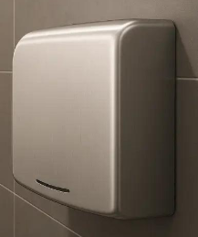 Automatic Soap Dispenser |  | 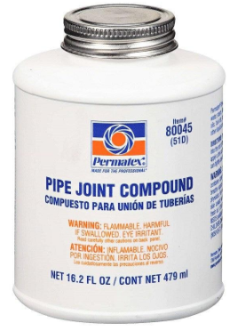 Pipe Joint Compound |  |  | 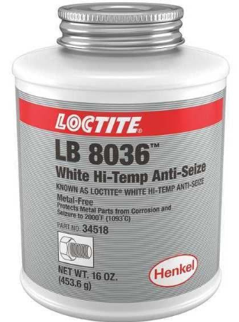 Anti Seize Compound |  |  | Blind Flange |  |  | 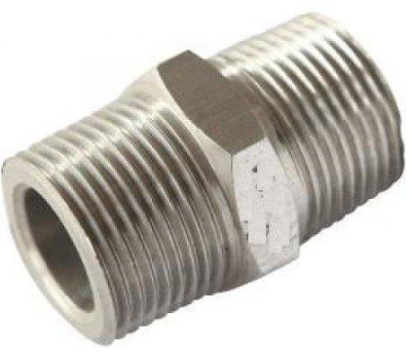 Hex Nipple
 |  |  |  |  |  |  |  |  |  |  |  |  |  | 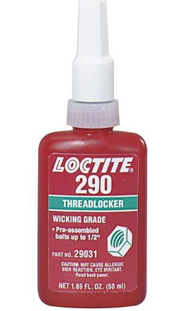 Thread Locking Compound | 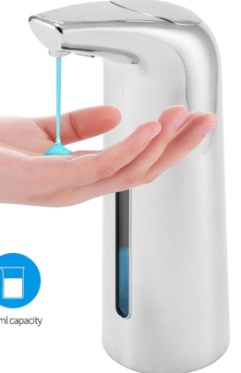 Sensor Soap Dispensor

 |  |  |  |  |  |  |  | Long Nipple

 |  |  |  |  |  |  |  |  |  |  | 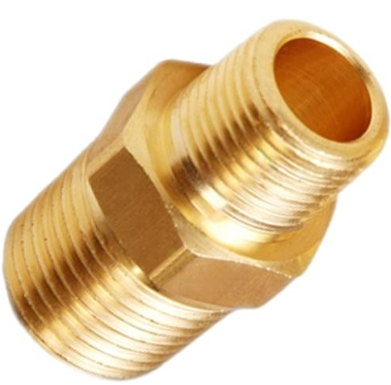 Reducing Nipple

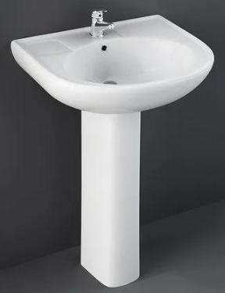 Wash Basin | 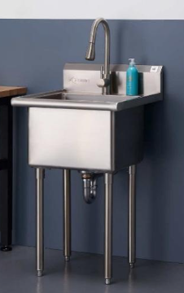 Utility Basin |  | 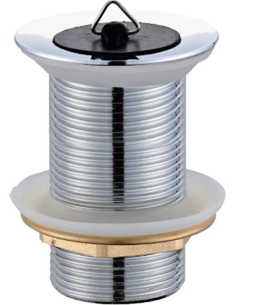 Basin Bottle Waste |  | 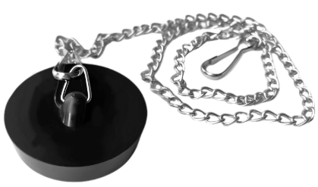 Basin Chain Plug |  |  | Barrel Nipple |  |  |  |  |  |  | 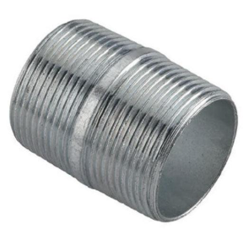 Close Nipple
 |  |  |  |  |  |  |  |  |  |  |  |  |  | Brass Extension Nipple

 |  |  |  |  | 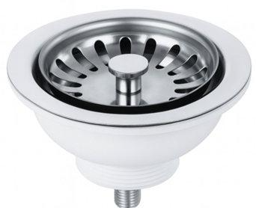 Basket Strainer |  |  | 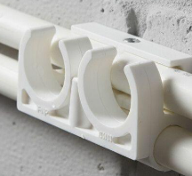 Double Pipe Clip |  |  | 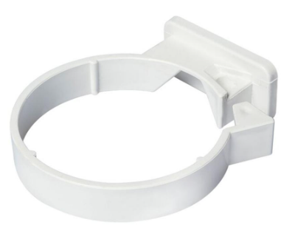 Down Pipe Clip |  |  | 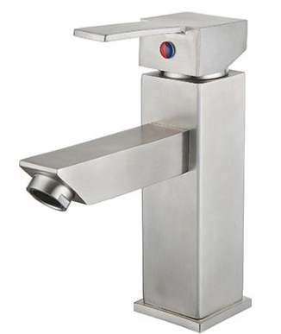 Basin Mixer SS | 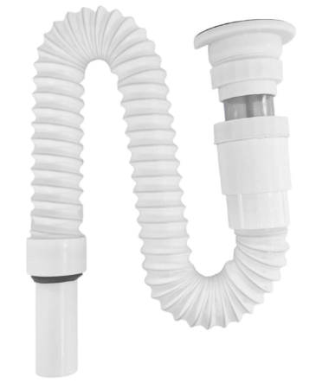 Basin Flex Waste Pipe

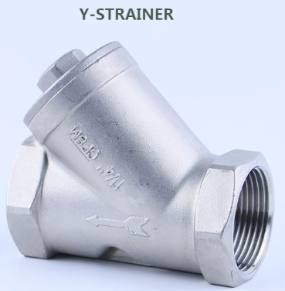 Y Strainer |  |  | 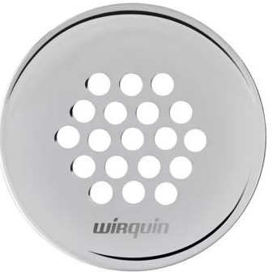 Basin Waste Grating

 | Pipe Clip With Nail

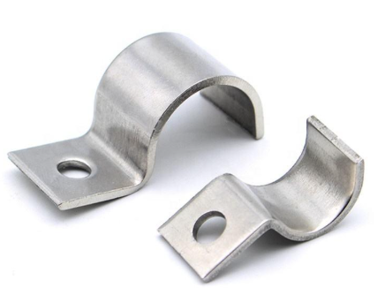 Pipe Saddle Clip |  | 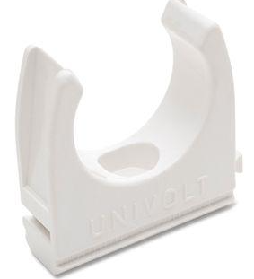 Plastic Pipe Clip |  | 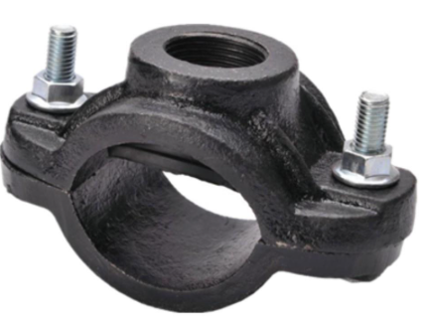 Cast Iron Pipe Clamp |  |  | 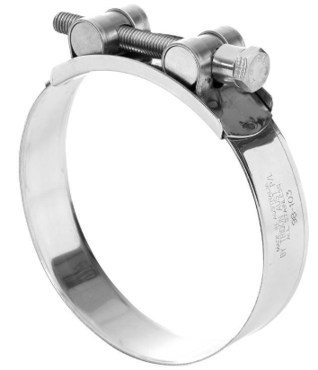 Hose Clamp Heavy Duty |  |  | 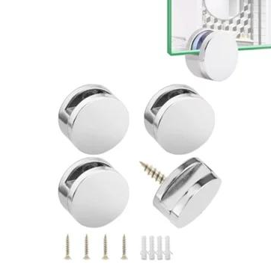 Mirror Clamp |  |  | 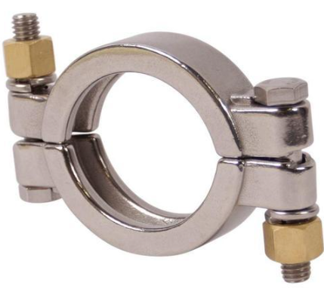 Pipe Clamp SS |  | 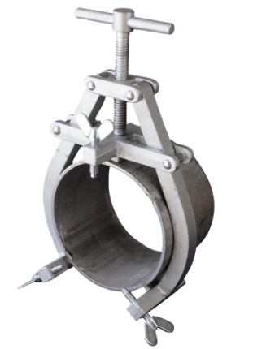 Pipe Welding Clamp

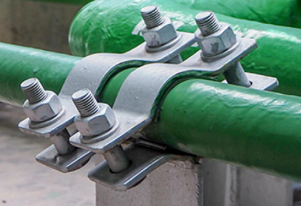 Pipe Support Clamp |  | 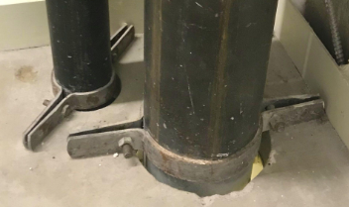 Riser Clamp |  |  | 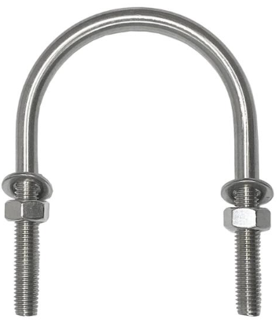 U Clamp

 |  |  |  |  |  |  |  |  |  |  |  |  | 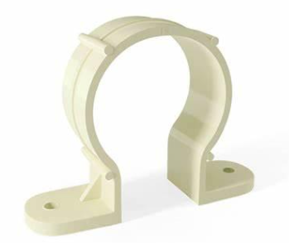 CPVC Pipe Clamp |  | 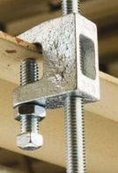 Beam Clamp
 |  |  |  |  |  |  |  |  |  | 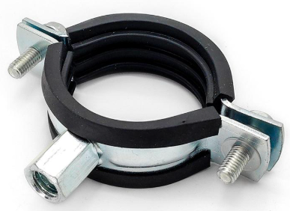 Rubber Lined Pipe Clamp
 |  |  |  |  |  |  | Wall Clamp

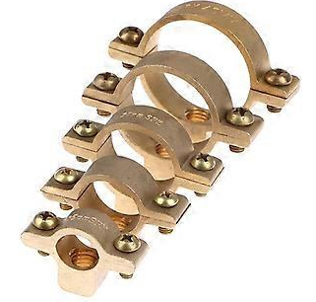 Brass Pipe Clamp |  | 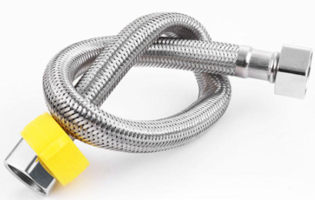 Braided Flexiable Hose |  |  | 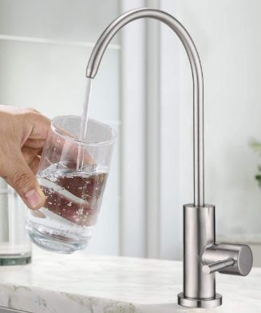 RO Sink Faucet

 |  |  |  |  |  |  |  Air Hose
 |  |  |  |  |  |  |  |  |  |  Lay Flat Hose |  |  |  Nylon Braided Hose |  |  Sink Overflow Hose

 |  |  Pool Vaccum Hose
 |  |  |  |  |  Sink Mixer Tap
 Pump Hose

 |  |  |  |  |  |  |  PVC Braided Hose
 |  |  |  |  |  |  |  |  |  |  Sink Clip |  |  |  Steam Hose |  |  Faucet Spray Hose

 |  |  Kitchen Sink
 |  |  |  |  |  Pool Hose Connector
 Spiral Flex Hose

 |  |  |  |  |  |  |  |  |  |  |  |  |  |  |  CPVC Cross
 |  |  |  |  |  |  |  Suction Hose |  |  |  Utility Hose

 |  |  Washing Machine Inlet Hose |  |  |  |  |  |  |  |  |  |  |  Flex Drain Hose
 |  |  |  |  |  Cross
 Washing Machine Drain Hose

 |  |  |  |  |  |  |  |  |  |  |  |  |  |  | Brass Hose Connector
 |  |  |  |  |  |  |  |  |  |  Chemical Resistant Hose
 |  |  |  |  |  |  | Basin Flex Hose

 |  |  Flex Hose & Pipes
 |  |  |  |  |  |  |  |  |  |  |  |  |  Drinking Water Hose

 Food Grade Hose

 |  |  |  |  |  |  |  Delivery Hose
 |  |  |  |  |  |  |  |  |  |  Double Ball Sink Connector

 Equal Cross |  |  Reducing Cross |  |  | RO Elbow Connector |  |  |  |  |  |  |  | Flex Waste Connector |  |  Offset Pen Connector

 |  |  |  |  |  |  |  RO Straight Connector |  |  |  RO Connector Kit

 |  |  |  |  |  |  |  |  |  |  |  |  |  Pan Connector
 |  |  |  |  |  Brass Hose Nozzle
 |  |  |  |  |  |  |  |  |  |  |  |  |  |  |  Offset WC Connector

 Tank Connector |  |  WYE Connector

 |  |  |  |  |  |  | Brass Hose Union |  |  |  Brass Locknut

 |  |  |  |  |  Union |  |  |  |  |  |  |  |  Brass Olive Ring
 |  |  |  |  |  |  |  |  |  |  |  |  |  |  | Filter Housing O Ring

